DCF
Unlevered Free Cash Flow (mm)
Fiscal Year |  | 2019-12-31 | 2020-12-31 | 2021-12-31 | 2022-12-31 | 2023-12-31 | 2024-12-31 | 2025-12-31 | 2026-12-31
Unlevered Free Cash Flow |  | 3,158 | 2,859 | 4,698 | 3,890 | 5,256 | 5,673 | 5,799 | 5,705

Projection Year |  |  |  |  | 1 | 2 | 3 | 4 | 5
Present Value of Free Cash Flow |  |  |  |  | 3,661 | 4,657 | 4,732 | 4,552 | 4,216

Implied Share Price Calculation |  |  | Sensitivity Table
Sum of PV of FCF | 21,819
Growth Rate | 3% |  |  |  | Growth Rate
WACC | 6.2% |  |  | 358.48 | 2.00% | 2.50% | 3.00% | 3.50% | 4.00%
Terminal Value | 181,615 |  | WACC | 7.24% | 231.23 | 250.77 | 274.92 | 305.53 | 345.58
PV of Terminal Value | 134,217 |  |  | 6.74% | 255.11 | 279.71 | 310.89 | 351.70 | 407.40 | DATA-WHAT IF ANALYSIS -DATA TABLE -IN FIRST COLUMN (GROWTH RATE AND IN 2ND COLUMN WACC)
Enterprise Value | 156,036 |  |  | 6.24% | 284.61 | 316.38 | 357.97 | 414.72 | 496.82
(+) Cash | 11,258 |  |  | 5.74% | 322.00 | 364.38 | 422.21 | 505.87 | 637.62
(-) Debt | 7,491 |  |  | 5.24% | 370.94 | 429.88 | 515.14 | 649.41 | 891.94
(-) Minority Interest | 514
Equity Value | 159,289
Diluted Shares Outstanding (mm) | 444.35
Implied Share Price | 358.48

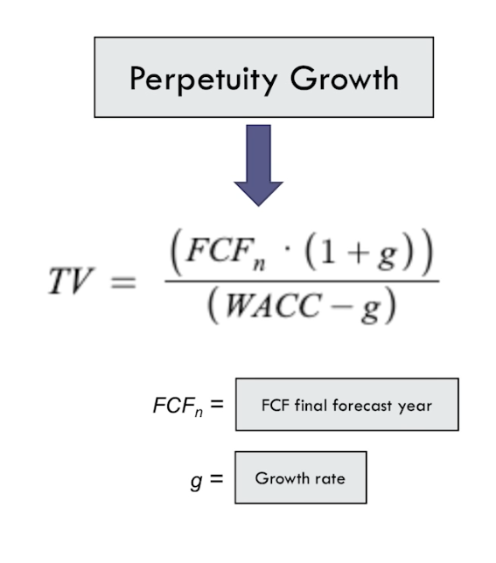

Enterprise value = Present value of FCF + Present value of Terminal Value

 |  |  |  |  | .

